PAGE LAYOUT
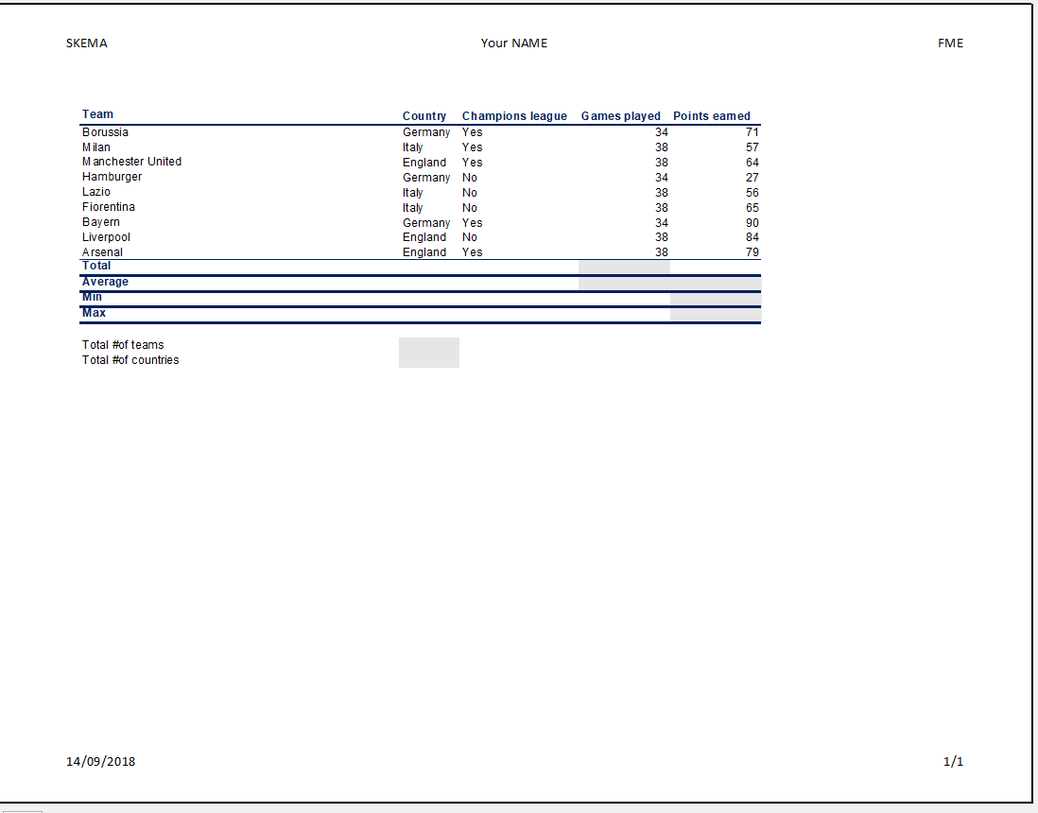
SUMMARY

Layout "the BASIC CALCULATIONS" table following to this model

PIVOT TABLE
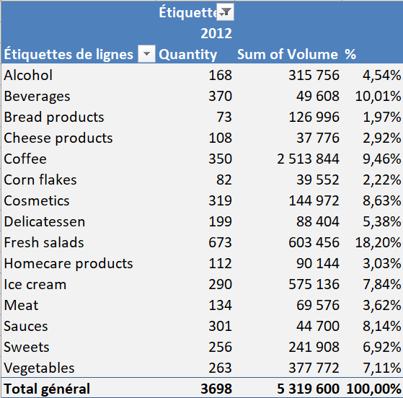
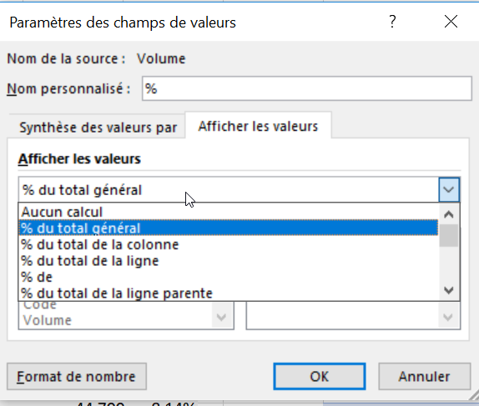
Following this model, built a pivot table. |  | SUMMARY
Click here to get the data: | Get the data

